Integers
Data on the quantitative composition of 60 families |  |  |  |  |  | Mean
Build variation series and distribution polygon |  |  |  |  |  | Stand dev
Perform primary statistical data processing
X | 2 | 4 | 5 | 6 | 5 | 2 | 3 | 4 | 1 | 4 | 3 | 3
 | 4 | 3 | 3 | 4 | 4 | 4 | 4 | 5 | 5 | 3 | 4 | 1
 | 3 | 4 | 3 | 5 | 4 | 3 | 5 | 3 | 3 | 2 | 3 | 4
 | 6 | 5 | 4 | 4 | 4 | 2 | 3 | 4 | 4 | 6 | 5 | 1
 | 5 | 2 | 6 | 2 | 3 | 3 | 4 | 5 | 4 | 4 | 6 | 4

Sample size |  | n= | 60 |  | Variants | Frequencies | Relative frequencies
Min |  | min= | 1 |  | 1 | 3 | 5
Max |  | max= | 6 |  | 2 | 6 | 10
 |  |  |  |  | 3 | 15 | 25
 |  |  |  |  | 4 | 21 | 35
 |  |  |  |  | 5 | 10 | 17
 |  |  |  |  | 6 | 5 | 8
 |  |  |  |  |  | 60 | 100

Non integer
 |  | Interval method
Object | Indicator |  |  |  |  |  | middle points |  |  | https://www.socscistatistics.com/
1 | 3.4 |  | x_min | x_max | Boundaries of intervals |  | xi | frequencies | relative frequences
2 | 10.3 |  | 0.12 | 19.8 | 0 | 4 | 2 | 2 | 8
3 | 14.7 |  | 0 | 20 | 4 | 8 | 6 | 5 | 20
4 | 12.3 |  |  |  | 8 | 12 | 10 | 11 | 44
5 | 11.8 |  | k-number of intervals | h-interval length | 12 | 16 | 14 | 6 | 24 |  | Карман | Частота
6 | 5.3 |  | 5 | 4 | 16 | 20 | 18 | 1 | 4 |  | 4 | 2
7 | 0.12 |  |  |  |  |  |  | 25 | 100 |  | 8 | 5
8 | 13.5 |  |  |  |  |  |  |  |  |  | 12 | 11
9 | 5.8 |  |  |  |  |  |  |  |  |  | 16 | 6
10 | 14.3 |  |  |  |  |  |  |  |  |  | 20 | 1
11 | 7.6 |  |  |  |  |  |  |  |  |  | Еще | 0
Гистограмма
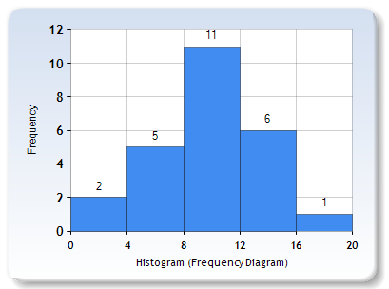
12 | 9.8
13 | 15.8
14 | 19.8
15 | 9.3
16 | 10.1
17 | 6.2
18 | 13.2
19 | 9.6
20 | 8.2
21 | 4.1
22 | 11.3
23 | 10.5
24 | 8.6
25 | 11.6

